USER GUIDE
 | Part O Simplified Method spreadsheet tool
 | © Future Homes Hub 2024

 | Version: FHH-SM-V2a

 | Refer to the cover page for full legal notices

USER GUIDE

 | General
 | - | This spreadsheet tool is an implementation of the Approved Document Part O (Overheating) 2021 edition (England) Simplified Method
 | - | This spreadsheet tool is compatible with Excel 2010 or later
 | - | It is best to be familiar with Approved Document Part O (AD-O) prior to using this tool
 | - | DLUHC have published AD-O Frequently Asked Questions which should also be referred to
 | - | The Simplified Method should only be used where external noise is not an issue (see AD-O para 3.2-3.4)
 | - | If the dwelling is located near to significant external pollution sources it is unlikely to pass using the Simplified Method (see AD-O para 3.5)
 | - | This version of the spreadsheet tool is not able to take account of ventilation provided by louvre openings |  | NOTE
 | - | A Housebuilder's Guide to Part O is available on the Future Homes Hub website
 | - | A Technical Guide to Part O is available on the Future Homes Hub website | This spreadsheet has been provided for free and whilst every effort has been made to ensure it's accuracy the Future Homes Hub can assume no liability for errors or omissions. It is used entirely at the user's own risk. Refer to the cover page for full legal notices. Should you have any comments, observations or suggestions please send them to: admin@futurehomes.org.uk

 | How to use: Overview
 | a. | Enter overall size (GIA) of dwelling being assessed and whether it is cross-ventilated into the "Window & Door DATA INPUT" sheet
 | b. | Enter data on all openings (windows, doors, rooflights) for the dwelling being assessed into the "Window & Door DATA INPUT" sheet
 | c. | Enter information on location and orientation of the dwelling being assessed into the "RESULTS" sheet |  | Box 0
 | d. | For the dwelling to comply using the Simplified Method, all AD-O criteria (displayed as "targets" on the "RESULTS" sheet) need to be met |  | Only if the answer to each of the following questions is 'NO', then the Simplified Method can be used.
 | e. | It may be necessary to iterate the design in order to pass all criteria |  | i. Is there more than one residential unit with significant amounts of horizontal hot water pipes? (see AD-O para 1.13) ii. Would opening the windows cause the night time noise limits to be broken? (see AD-O para 3.1 & 3.2 - 3.4) iii. Does external pollution prevent window opening? (See AD-O para 3.1 & 3.5)
 | f. | A suggested compliance checklist that may be filled out and submitted to Building Control is included in "Compliance Checklist" sheet
 | g. | You will need to use a new copy of the spreadsheet tool for each dwelling you want to assess
 | h. | This process is described in detail below

 | How to use: Detailed process steps |  |  | Box 1

 |  | Note that all data entry cells are coloured light yellow |  | Cross-ventilation means that the dwelling has openings on opposite façades (see diagram below).
 |  | Input cells can be copied down a column, but do not copy input cells from left to right (across the row).
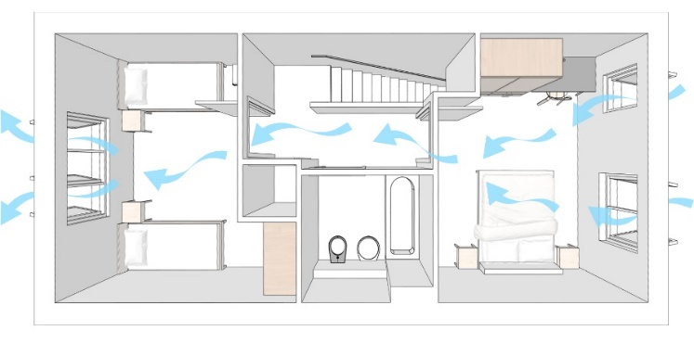
 | 1 | First ensure that the Simplified Method is applicable to the dwelling you want to assess. See Box 0
 | 2 | Open the "Window & Door DATA INPUT" tab
 | 3 | Calculate the GIA of the dwelling (in m2) and enter it in cell D5
 | 4 | Use the drop down in cell D6 to state whether the dwelling has cross-ventilation or not. See Box 1 for further information on what constitutes cross-ventilation
 | 5 | Information on each glazed window pane, rooflight, and external door now needs to be entered into the spreadsheet, using a new row for each individual pane/opening within a window/door. It may be useful to number each glazed pane/ rooflight/ door across the elevations to help with this process. This numbering can be input into columns E and F to help keep track. See Box 2 for an example.
 | 6 | Using the dropdown in column B, enter the room in which the pane/sash is located. If you like you can add a description into column C. |  | Openings on façades that are not opposite does not meet the AD-O definition of cross ventilation (e.g. corner flat).
 | 7 | Enter the floor area of the room in column D. Where a room serves more than one activity (e.g. living/ kitchen), the room area needs to be calculated based on a room depth no greater than 4.5m - see Box 3 for details.
 |  |  |  | Box 2
 | 8 | Now enter details about the pane/opening. Columns E, F & G are not mandatory but will help you keep track of which window and pane you are inputting. |  | The diagram below shows the individual panes for an example window. Each pane should be entered into the spreadsheet as a separate row.
 | 9 | In order to allow a dwelling type to be entered once and then 'turned' to face whichever orientation is correct for individual plots, you will need to enter the location of the pane/opening relative to the plan view drawing, into column H. To avoid confusion with the actual orientation of a particular plot we have defined this relative orientation as a clock face (3, 6, 9, 12). Please see Box 4 for details.
 | 10 | The actual orientation of the dwelling on the site wide plan also needs to be entered. You can do this now by entering the actual orientation of 'clock face 6' (the bottom of the house type plan drawing) into the "RESULTS" tab, cell H5 (or you can do this later @ step 30). Note that generally the bottom of the house type plan will show the front façade, but this may not always be the case - so take care when working out the orientation of 'clock face 6' on the site wide plan. Note that AD-O requires the closest compass direction to be used (North, East, South, West). See Box 5 for further guidance, including where the facade is exactly NE, NW, SE or SW. |  | 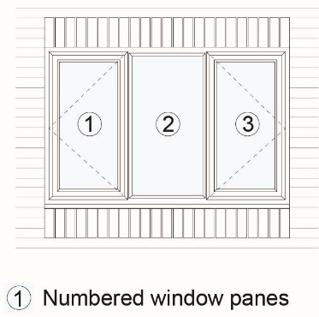

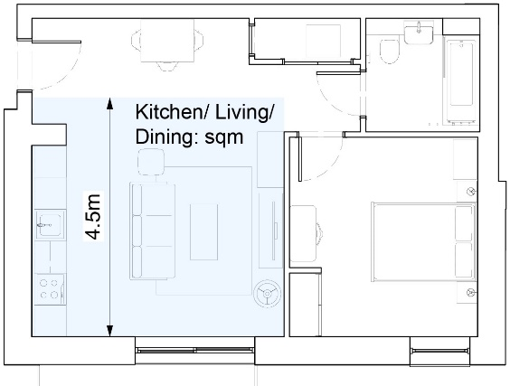
 |  |  |  | Box 3
 | 11 | If you have carried out step 10, the compass orientation of all panes will now be displayed in column I of the "Window & Door DATA INPUT" tab. |  | Where a room serves more than one activity, you will need to calculate the room area based on a room depth no greater than 4.5m from the most glazed façade. See diagram below.
 | 12 | Enter the pane/opening type from the drop down menu in column J. If it is not a fixed pane, you will then be asked whether it is to be used as part of the overheating mitigation strategy in column K - if yes then it must meet the minimum opening height or guarding requirements. Essentially if the height difference from inside to outside is greater than 600mm then cill heights of opening panes must be a minimum of 1100mm from the floor or guarding to this level needs to be provided. See AD-O Para 3.8 - 3.10 and Table 3.1, and DLUHC FAQ for details.
 | 13 | Next choose whether you want to enter the glazed pane by area (m2) or dimensions (width (m) & height (m)) using the drop down in column L
 | 14 | Enter either the glazed pane dimensions into columns M & N or area into column O (whichever cells are coloured yellow). This is just the glazed portion of the pane/opening - see Box 6 for further information.
 | 15 | For opening panes (referred to as "sash" in the spreadsheet), enter the width into column P and height into column Q. It is important that these are input into the correct columns (i.e. width into column P and height into column Q) in order for the equivalent area calculations to be correct. This is the dimensions of the opening part of the window pane, including frame - see Box 7 for further information.
 | 16 | Guidance on how to input sliding doors/windows, bifold doors/windows, and sash windows can be found in Box 8. Note that front doors cannot be assumed to be open as part of the overheating strategy.
 |  |  |  | Box 4
 | 17 | For bedrooms, you will now need to select whether the window or door is on the ground floor or 'easily accessible' in column R. See Box 9 for guidance. |  | On the plan view drawing of the dwelling, assign windows/openings facing the top of the page '12', right of the page '3', bottom of the page '6', and left of the page '9' (as a clock face). For any windows/openings not directly facing one of these directions, the closest 'clock face' direction should be chosen. See diagram below.
 | 18 | If the answer is yes, then there is a further question regarding security in column S. See Box 10 for guidance.
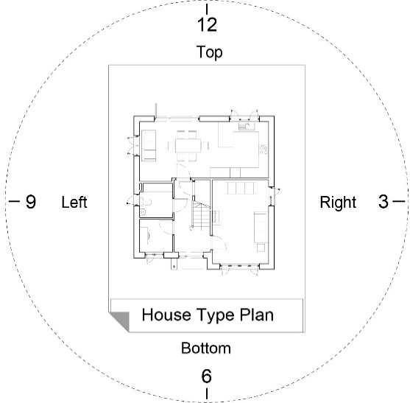
 | 19 | If the window is secure for night-time opening, then depending on the window type you will be asked to enter either the secure night-time opening distance (column T) and daytime opening distance (column U) or the secure night-time opening angle (column V) and daytime opening angle (column W). This must take into account the 650mm maximum reach criteria. See Box 11, Box 13 & Box 14 for guidance.
 | 19A. | If the window is not secure for night-time opening then it is assumed to be closed at night. In this case the daytime opening distance is calculated based on the inputs in columns X - AA so make sure the yellow cells here are filled in.
 | 20 | For all windows/ rooflights not in ground floor or easily accessible bedrooms, the next information to enter is whether the opening is restricted in any way to provide additional protection from falling. Use the drop down in column X to indicate this.
 | 21 | If there is a restrictor, enter the opening distance (in mm) in column Y. This should be the measurement of the gap at the window's widest opening point with the restrictor in place. See Box 11 for guidance.
 | 22 | For outward opening top and side hung windows, the spreadsheet will automatically calculate the opening angle taking into account the 650mm reach criteria. You will need to enter the distance (in mm) from the inside wall to the window frame into column Z. An allowance has been made for certain features - see Box 12 for details.
 | 23 | For inward opening windows and rooflights you will need to enter the opening angle in column AA. For rooflights this must take into account the maximum 650mm reach criteria and any other restrictions to opening - see Box 13. For inward opening windows this must take into account any restrictions to opening (the 650mm criteria does not apply) - see Box 14. If the opening angle is >90 degrees, enter 90.
 |  |  |  | Box 5
 |  |  |  | The orientation of 'clock face 6' on the house type plan can be determined by looking at the plot on the site wide plan. See example below.
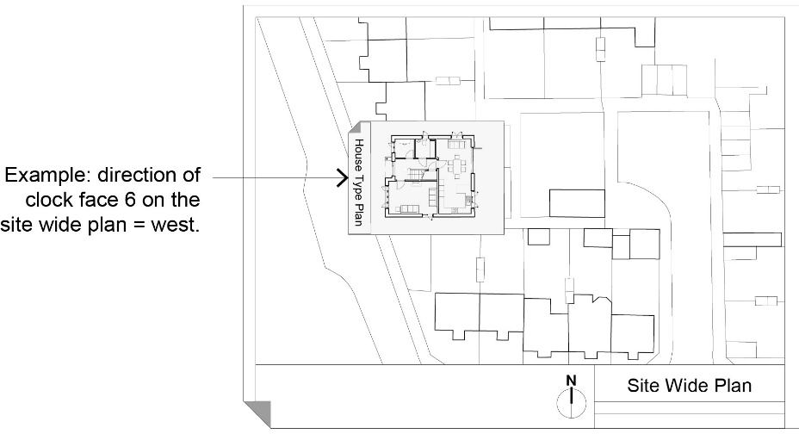
 | 24 | Columns AB and AC will display the calculated opening angle to allow for a sense check
 | 25 | Complete the above information [steps 5 to 23] for all windows, doors and rooflights, using a new row for each individual pane/opening. Note that the room (column B) and room floor area (column D) need to be entered on each row used.
 | 26 | Open the "RESULTS" tab
 | 27 | Here you can enter information about the site and plot (cells D9, D10, D11 & D12)
 | 28 | You need to enter the location risk category for the dwelling into cell D14. The location categories are defined in AD-O section 1.3. Most of England is defined as "Moderate Risk", but urban and some suburban parts of London are defined as "High Risk", and there is also guidance on parts of central Manchester. Refer to AD-O for details.
 | 29 | Use the drop down in cell D15 to indicate whether shading is provided. Shading must be provided in High Risk areas. See AD-O para 1.9 for details. If the dwelling is in a Moderate Risk location but the largest glazed façade is orientated West, it may be advantageous to provide shading and use the less onerous High Risk criteria. The spreadsheet tool will automatically use the High Risk criteria in this situation. See DLUHC FAQ's #3.
 |  |  |  | The closest compass direction to the orientation of the 'clock face 6' façade should be used (North, East, South, West). If 'clock face 6' is facing exactly between two compass points then within this spreadsheet tool this means that you will need to test the dwelling in both orientations to check for compliance (e.g. if the direction of 'clock face 6' is SW, then check whether the compliance targets are met with "RESULTS" tab cell H5 set to South and again with cell H5 set to West). The dwelling must pass the target criteria for both orientations in order to comply with AD-O. You will need to do this when you get to step 32.
 | 30 | If you have not already done so, enter the orientation of the bottom of the plan drawing (clock face 6) in cell H5. Note that AD-O requires the closest compass direction to be used (North, East, South, West). See step 10, Box 4 and Box 5 for further information.
 | 31 | Cells H3 and H4 are checks to ensure the Simplified Method is applicable to the location of the dwelling. Use the drop downs to indicate the answers.
 | 32 | The outcome of the assessment is shown in the Results section (rows 20-32). This shows the values calculated for the dwelling alongside the target (taken from the criteria in AD-O Tables 1.1 to 1.4). The targets differ depending on location, whether or not cross ventilation is available, and the orientation of the largest glazed façade.

 | 33 | For the dwelling to comply using the Simplified Method, all AD-O criteria need to be met. This is shown by the colour coded tick and cross in column K |  | Box 6
 |  |  |  | The input for the glazed pane is the area or dimensions of the glass in each pane (excluding frame, etc).
 | 34 | It may be necessary to iterate the design in order to pass all criteria
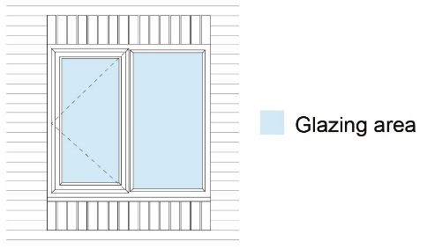
 | 35 | Results for all orientations can be viewed on the "Summary for all orientations" tab
 | 36 | A suggested compliance checklist that may be filled out and submitted to Building Control is included in "Compliance Checklist" sheet. This is based on the template in AD-O Appendix B.
 | 37 | You will need to use a new copy of the spreadsheet tool for each dwelling you want to assess

 |  |  |  | Box 7
 |  |  |  | The input for the window sash/ door is the width and height of each opening section (including frame, etc).

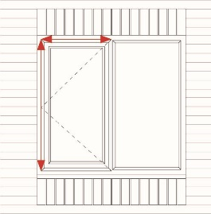

 |  |  |  | Box 8
 |  |  |  | For sliding doors/windows, bifold doors/windows, and sash windows, there is a particular way in which you will need to enter the panes into the spreadsheet for the outputs to be correct. This is illustrated below with sliding doors as an example, and the same principles should be used for sliding windows, bifold doors/windows and sash windows.
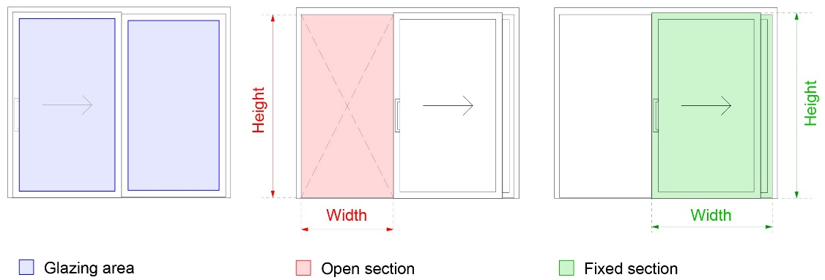

 |  |  |  | - The glazing area of each pane should be entered into column O (or dimensions of glazed area into columns M and N).
 |  |  |  | - The "open" section (shaded pink above) should be entered as the correct "opening type" in column J (e.g. in this case, "Sliding door"). The width of the opening should be entered into column P, and the height of the opening into column Q. It does not matter if it turns out that the area entered for the glazed pane is larger than the area of the opening.
 |  |  |  | - The "fixed" section (shaded green above) should be entered as "fixed pane" in column J. The width of the "fixed" section should be entered into column P, and the height into column Q.

 |  |  |  | Box 9
 |  |  |  | AD-O Appendix K defines "easily accessible" as:
 |  |  |  | - A window or doorway, any part of which is within 2m vertically of an accessible level surface, such as the ground or basement level, or an access boundary.
 |  |  |  | - A window within 2m vertically of a flat or sloping roof (with a pitch of less than 30 degrees) that is within 3.5m of ground level.

 |  |  |  | Box 10
 |  |  |  | AD-O states that:
 |  |  |  | Open windows or doors can be made secure by using any of the following. a. Fixed or lockable louvred shutters. b. Fixed or lockable window grilles or railings.

 |  |  |  | Box 11
 |  |  |  | Opening distance is defined below for outward opening windows:
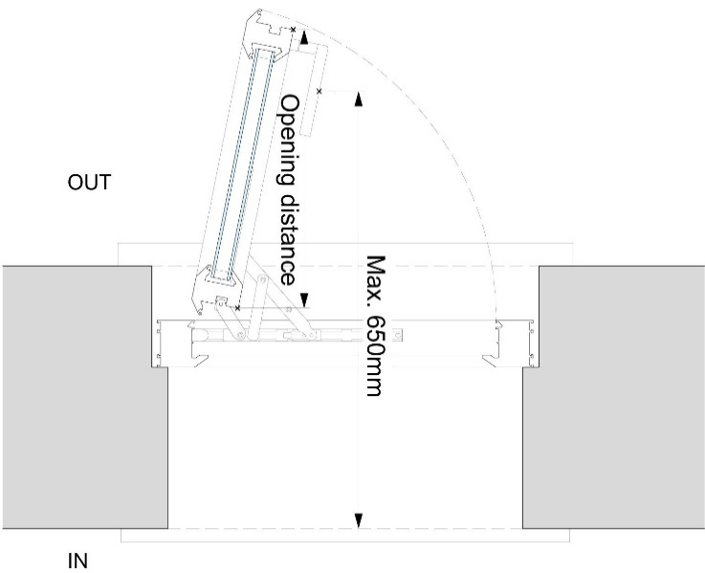

 |  |  |  | The same principles apply for windows where the opening is restricted:
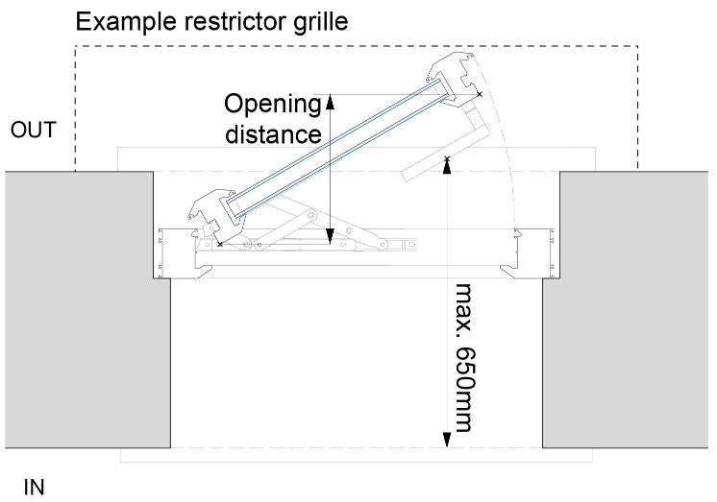

 |  |  |  | Box 12
 |  |  |  | The diagram below shows the distance from inside wall to window frame [a], and the max 650mm reach. Within the spreadsheet tool it has been assumed that dimension [c] minus [b] = 20mm.
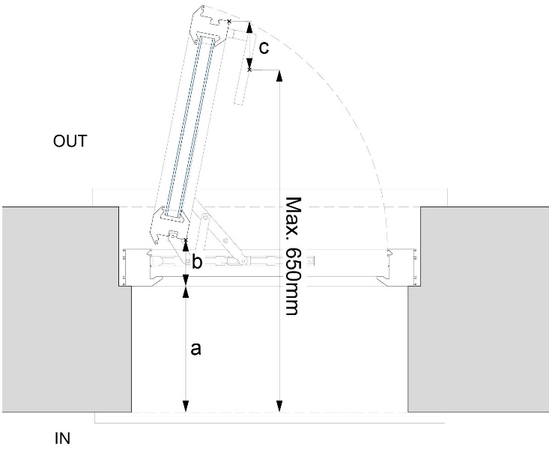

 |  |  |  | Box 13
 |  |  |  | Opening angle for rooflights is illustrated below.
 |  |  |  | Centre pivot: Top pivot:
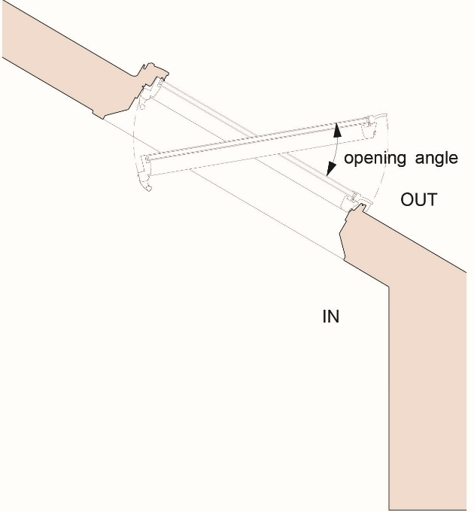
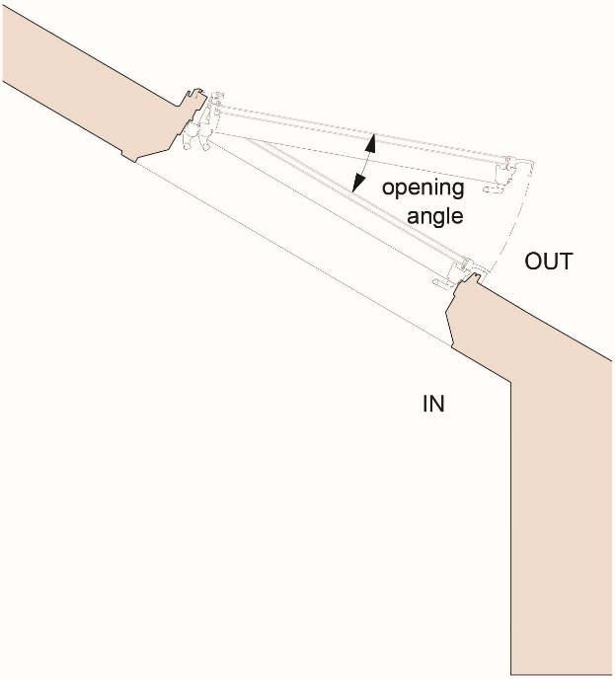

 |  |  |  | Box 14
 |  |  |  | Opening angle for inward opening windows is illustrated below:
